Sheet1
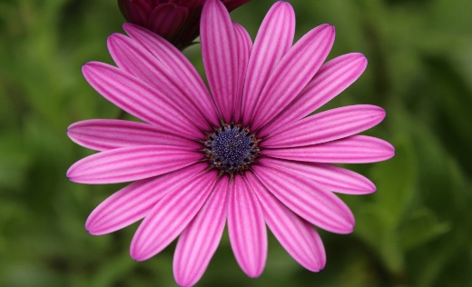

SADIKUL AMIN

Column1 | Column2 | Column3 | Column4 | Column5
NAME | DETAILS | PRICE | QUALITYT | TOTAL
AKHASHI |  | 10 | 5 | 50
BLUE |  | 23 | 33 | 759
NIL |  | 54 | 22 | 1188
JINS |  | 23 | 44 | 1012
COLOUR |  | 12 | 56 | 672

Total |  |  |  | 3681

